Sheet 1

Picture | Label | Style | Material | Color | Carton # | SIZE |  |  |  |  |  |  |  |  |  |  |  | QTY / CTN | TOTAL CTNS | TOTAL QTY.
 |  |  |  |  |  | 0 | 1 | 3 | 5 | 7 | 9 | 11 | 13 | XS | M | L | XL
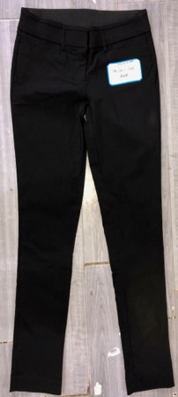 | Candies | Millenium, Skinny Pants | Woven, 76% Rayon 21% Nylon 3% Spandex | Black | Ca3 |  |  |  | 30 |  |  |  |  |  |  |  |  | 30 | 1 | 30
 |  |  |  |  |  |  |  |  |  |  |  |  |  |  |  |  |  | TOTAL | 1 | 30

Picture | Label | Style | Material | Color | Carton # | SIZE |  |  |  |  |  |  |  |  |  |  |  |  | QTY / CTN | TOTAL CTNS. | TOTAL QTY.
 |  |  |  |  |  | 0 | 2 | 4 | 6 | 8 | 10 | 12 | 14 | 16 | 18 | 20 | 22 | 24
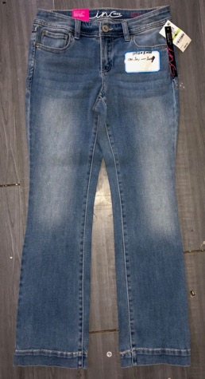 | I.N.C | Denim, Boot | Woven, 54% Cotton 35% Polyester 1% Spandex | M.Blue | IR4/IN4 |  | 24 |  |  |  |  |  |  |  |  |  |  |  | 24 | 1 | 24
 |  |  |  |  | IR7/IN7 |  |  | 24 |  |  |  |  |  |  |  |  |  |  | 24 | 1 | 24
 |  |  |  |  | IR8/IN8 |  |  | 24 |  |  |  |  |  |  |  |  |  |  | 24 | 1 | 24
 |  |  |  |  | IR10/IN10 |  |  | 10 | 14 |  |  |  |  |  |  |  |  |  | 24 | 1 | 24
 |  |  |  |  | IR12/IN12 |  |  |  | 24 |  |  |  |  |  |  |  |  |  | 24 | 1 | 24
 |  |  |  |  | IR14/IN14 |  |  |  | 24 |  |  |  |  |  |  |  |  |  | 24 | 1 | 24
 |  |  |  |  | IR20/IN20 |  |  |  |  | 24 |  |  |  |  |  |  |  |  | 24 | 1 | 24
 |  |  |  |  | IR21/IN21 |  |  |  |  | 24 |  |  |  |  |  |  |  |  | 24 | 1 | 24
 |  |  |  |  | IR26/IN26 |  |  |  |  | 24 |  |  |  |  |  |  |  |  | 24 | 1 | 24
 |  |  |  |  | IR27/IN27 |  |  |  |  | 24 |  |  |  |  |  |  |  |  | 24 | 1 | 24
 |  |  |  |  | IR28/IN28 |  |  |  |  | 24 |  |  |  |  |  |  |  |  | 24 | 1 | 24
 |  |  |  |  | IR31/IN31 |  |  |  |  |  | 24 |  |  |  |  |  |  |  | 24 | 1 | 24
 |  |  |  |  | IR34/IN34 |  |  |  |  |  |  | 24 |  |  |  |  |  |  | 24 | 1 | 24
 |  |  |  |  | IR36/IN36 |  |  |  |  |  |  |  | 24 |  |  |  |  |  | 24 | 1 | 24
 |  |  |  |  | IR37/IN37 |  |  |  |  |  |  |  | 24 |  |  |  |  |  | 24 | 1 | 24
 |  |  |  |  | IR41/IN41 |  |  |  |  | 10 |  |  |  | 11 |  | 3 |  |  | 24 | 1 | 24
 |  |  |  |  |  |  |  |  |  |  |  |  |  |  |  |  |  |  | TOTAL | 16 | 384

Picture | Label | Style | Material | Color | Carton # | SIZE |  |  |  |  |  |  |  |  |  |  |  |  | QTY / CTN | TOTAL CTNS. | TOTAL QTY.
 |  |  |  |  |  | 0 | 2 | 4 | 6 | 8 | 10 | 12 | 14 | 16 | 18 | 20 | 22 | 24
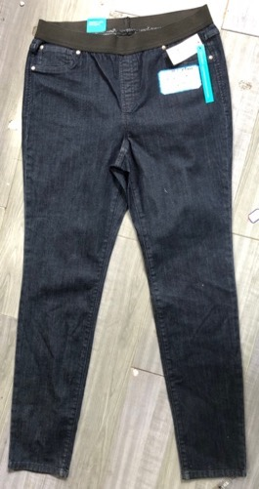 | I.N.C | Denim, Skinny Pull-on | Woven, 54% Cotton 35% Polyester 1% Spandex | D.W. | IR3/IN3 |  |  |  | 30 |  |  |  |  |  |  |  |  |  | 30 | 1 | 30
 |  |  |  |  | IR8/IN8 |  |  |  |  |  |  | 30 |  |  |  |  |  |  | 30 | 1 | 30
 |  |  |  |  | IR10/IN10 |  |  |  |  |  |  |  | 30 |  |  |  |  |  | 30 | 1 | 30
 |  |  |  |  | IR12/IN12 |  |  |  |  | 2 | 6 | 2 | 17 |  | 4 | 1 |  |  | 32 | 1 | 32
 |  |  |  |  |  |  |  |  |  |  |  |  |  |  |  |  |  |  | TOTAL | 4 | 122

Picture | Label | Style | Material | Color | Carton # | SIZE |  |  |  |  |  |  |  |  |  |  | QTY / CTN | TOTAL CTNS | TOTAL QTY.
 |  |  |  |  |  | 4 | 6 | 8 | 10 | 12 | 14 | 16 | 18 | 20 | 22 | 24
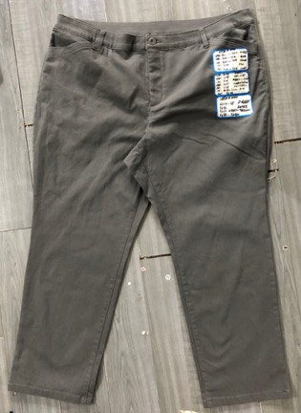 | CJ Banks | Twill, Straight | Woven, 61% Cotton 29% Rayon 8% Polyester 2% Spandex | D.Grey | SI-2 |  | 24 |  |  |  |  |  |  |  |  |  | 24 | 1 | 24
 |  |  |  |  | SI-4 |  |  | 24 |  |  |  |  |  |  |  |  | 24 | 1 | 24
 |  |  |  | Ivory | SI-22 |  | 4 |  | 17 |  |  |  |  |  | 3 |  | 24 | 1 | 24
 |  |  |  |  | SI-23 |  |  |  |  |  | 18 | 6 |  |  |  |  | 24 | 1 | 24
 |  |  |  | Green2 L.videt | SI-26 |  | 1 | 9 |  | 2 | 5 | 1 | 4 |  | 2 |  | 24 | 1 | 24
 |  |  |  | D.W | SI-30 |  |  | 20 |  |  |  | 4 |  |  |  |  | 24 | 1 | 24
 |  |  |  |  | SI-31 |  |  |  | 19 |  |  | 5 |  |  |  |  | 24 | 1 | 24
 |  |  |  |  |  |  |  |  |  |  |  |  |  |  |  |  | TOTAL | 7 | 168

Picture | Label | Style | Material | Color | Carton # | SIZE |  |  |  |  |  |  |  |  |  |  |  |  |  | QTY / CTN | TOTAL CTNS | TOTAL QTY.
 |  |  |  |  |  | 0 | 2 | 4 | 6 | 8 | 10 | 12 | 14 | 16 | 18 | 20 | 22 | 24 | 26
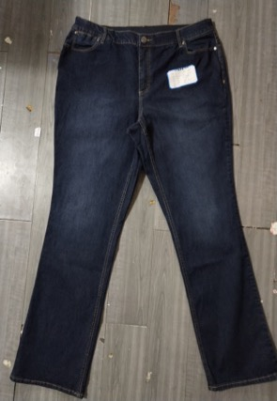 | CJ Banks | Straight | Woven, 70% Cotton 28% polyester 2% Spandex | D.W | Cj6 |  |  |  | 9 |  |  |  | 10 | 4 |  |  |  |  |  | 23 | 1 | 23
 |  |  |  |  | Cj11 |  |  |  |  | 6 | 7 | 11 |  |  |  |  |  |  |  | 24 | 1 | 24
 |  |  |  |  |  |  |  |  |  |  |  |  |  |  |  |  |  |  |  | TOTAL | 2 | 47

Picture | Label | Style | Material | Color | Carton # | SIZE |  |  |  |  |  |  |  |  |  |  |  | QTY / CTN | TOTAL CTNS | TOTAL QTY.
 |  |  |  |  |  | 0 | 4 | 6 | 8 | 10 | 12 | 14 | 16 | 18 | 20 | 22 | 24
 | Christopher & Banks |  |  | ASST | CH3 |  | 1 | 3 | 4 | 7 | 6 | 2 | 12 |  |  |  |  | 35 | 1 | 35
 |  |  |  |  |  |  |  |  |  |  |  |  |  |  |  |  |  | TOTAL | 1 | 35

Picture | Label | Style | Material | Color | Carton # | SIZE |  |  |  |  |  |  |  |  |  |  | QTY / CTN | TOTAL CTNS | TOTAL QTY.
 |  |  |  |  |  | 0 | 2 | 4 | 6 | 8 | 10 | 12 | 14 | 16 | 18 | 20
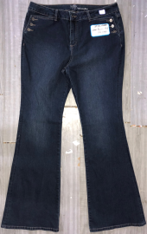 | SOHO New York & Company | Denim, Flare | Wove, 97% Cotton 2% Polyester 1% Spandex | D.W (HWF) | SO-1 | 3 | 12 |  | 9 |  |  |  |  |  |  |  | 24 | 1 | 24
 |  |  |  |  |  |  |  |  |  |  |  |  |  |  |  |  | TOTAL | 1 | 24

Picture | Label | Style | Material | Color | Carton # | SIZE |  |  |  |  |  |  |  |  |  |  |  |  | QTY / CTN | TOTAL CTNS | TOTAL QTY.
 |  |  |  |  |  | 4 | 6 | 8 | 10 | 12 | 14 | 16 | 18 | 20 | 22 | M | L | XL
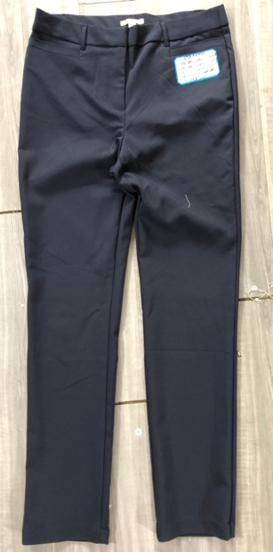 | Dana Buchman | Skinny Trouser | Woven, 51% Cotton 46% Polyester 3% Spandex | D.Blue | DA2(S) |  | 30 |  |  |  |  |  |  |  |  |  |  |  | 30 | 1 | 30
 |  |  |  | ASST | DA19(A) |  | 1 |  |  | 1 |  |  | 2 |  |  | 7 | 1 | 11 | 23 | 1 | 23
 |  |  |  |  |  |  |  |  |  |  |  |  |  |  |  |  |  |  | TOTAL | 2 | 53

Picture | Label | Style | Material | Color | Carton # | SIZE |  |  |  |  |  |  |  |  |  |  |  | QTY / CTN | TOTAL CTNAS | TOTAL QTY.
 |  |  |  |  |  | 2 | 4 | 6 | 8 | 10 | 12 | 14 | 16 | 18 | 20 | 22 | 24
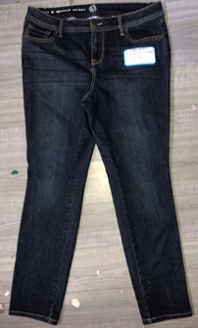 | Westport 1962, W62 | Skinny Jeans | Woven, 74% Cotton 24% Polyester 2% Spandex | D.W | W62-3 |  |  |  | 5 | 19 |  |  |  |  |  |  |  | 24 | 1 | 24
 |  |  |  |  | W62-4 |  |  |  |  |  | 6 | 14 |  | 4 |  |  |  | 24 | 1 | 24
 |  |  |  |  |  |  |  |  |  |  |  |  |  |  |  |  |  | TOTAL | 2 | 48

Picture | Label | Style | Material | Color | Carton # | SIZE |  |  |  |  |  |  |  |  |  |  |  | QTY / CTN | TOTAL CTNS | TOTAL QTY.
 |  |  |  |  |  | 2 | 4 | 6 | 8 | 10 | 12 | 14 | 16 | 18 | 20 | 22 | 24
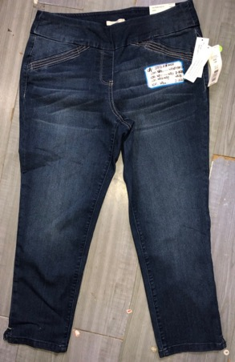 | Westbound | Ankle Jeans | Woven, 76% Cotton 22% Polyester 2% Spandex | KHAKI ANKLE | WE4 (A) |  |  |  |  |  |  | 11 |  | 9 | 5 |  | 5 | 30 | 1 | 30
 |  |  |  | D.BLUE2 | WE5 (A) | 1 |  | 9 | 6 | 5 | 3 |  |  |  |  |  |  | 24 | 1 | 24
 |  |  |  | BLUE+KHAKI | WE12 (A) | 1 | 2 | 2 | 6 | 7 | 1 |  | 5 | 2 | 1 | 1 |  | 28 | 1 | 28
 |  |  |  |  |  |  |  |  |  |  |  |  |  |  |  |  |  | TOTAL | 3 | 82

BRIGGS
Picture | Label | Style | Material | Color | Carton # | SIZE |  |  |  |  |  |  |  |  |  |  |  | QTY / CTN | TOTAL CTNS | TOTAL QTY.
 |  |  |  |  |  | 4 | 6 | 8 | 10 | 12 | 14 | 16 | 18 | 20 | 22 | 24 | 26
 | Briggs | SKIRT |  |  | BR17 |  | 1 |  | 2 | 1 |  | 9 |  | 14 | 3 | 1 | 1 | 32 | 1 | 32
 |  |  |  |  | BR18 |  |  |  |  |  |  |  | 13 |  |  | 2 |  | 15 | 1 | 15
 |  |  |  |  |  |  |  |  |  |  |  |  |  |  |  |  |  | TOTAL | 2 | 47

Picture | Label | Style | Material | Color | Carton # | SIZE |  |  |  |  |  |  |  |  |  |  |  |  |  |  | QTY / CTN | TOTAL CTNS | TOTAL QTY.
 |  |  |  |  |  | 4 | 6 | 8 | 10 | 12 | 14 | 16 | 18 | 20 | 22 | 24 | S | M | L | XL
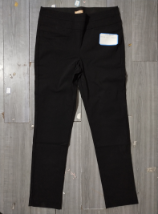 |  | Skinny |  | BLACK | Ta1 |  |  |  |  |  |  |  |  |  |  |  | 16 |  | 24 |  | 40 | 1 | 40
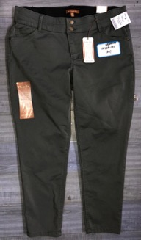 | reCreations | Skinny |  | ASST | rE-4 | 9 | 14 | 16 |  |  |  |  |  |  |  |  |  |  |  |  | 39 | 1 | 39
 |  |  |  |  | rE-5 |  | 9 |  | 1 |  | 3 | 4 | 4 | 2 | 1 |  |  |  |  |  | 24 | 1 | 24
 |  |  |  |  |  |  |  |  |  |  |  |  |  |  |  |  |  |  |  |  | TOTAL | 3 | 103

Picture | Label | Style | Material | Color | Carton # | SIZE |  |  |  |  |  |  |  |  |  |  |  |  |  |  |  |  |  |  |  |  |  |  |  |  |  | QTY / CTN | TOTAL CTNAS | TOTAL QTY.
 |  |  |  |  |  | 4 | 4S | 6 | 6S | 8 | 8S | 8P | 8PS | 8T | 10 | 10S | 12 | 12S | 12P | 12PS | 12T | 14 | 14S | 14P | 14PS | 14T | 16 | 16S | 16P | 18 | 18T
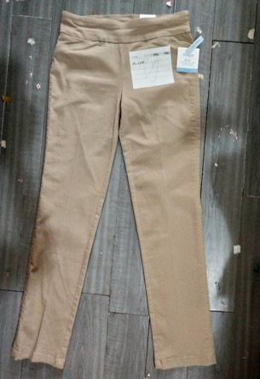 | Croft & Barrow | Skinny | Woven, 55% Cotton 31% Polyester 12% Rayon 2% Spandex | Khaki | Cr 5 |  |  |  | 2 | 3 | 2 | 11 | 2 | 4 |  |  |  |  |  |  |  |  |  |  |  |  |  |  |  |  |  | 24 | 1 | 24
 |  |  |  |  | Cr 9 |  |  |  |  |  |  |  |  |  |  |  | 24 |  |  |  |  |  |  |  |  |  |  |  |  |  |  | 24 | 1 | 24
 |  |  |  |  | Cr 10 |  |  |  |  |  |  |  |  |  |  |  |  |  | 20 | 2 | 2 |  |  |  |  |  |  |  |  |  |  | 24 | 1 | 24
 |  |  |  |  | Cr 11 |  |  | 11 |  |  |  |  |  |  |  |  | 11 | 1 |  |  |  |  |  |  |  |  |  |  |  | 1 |  | 24 | 1 | 24
 |  |  |  |  | Cr 12 |  |  |  |  |  |  |  |  |  |  |  |  |  |  |  |  |  |  | 12 |  |  |  | 7 |  | 5 |  | 24 | 1 | 24
 |  |  |  |  | Cr 15 |  |  |  |  |  |  |  |  |  |  |  |  |  |  |  |  | 12 |  | 12 |  |  |  |  |  |  |  | 24 | 1 | 24
 |  |  |  |  | Cr 18 |  |  |  |  |  |  |  |  |  |  |  |  |  |  |  |  |  |  |  |  |  |  |  | 24 |  |  | 24 | 1 | 24
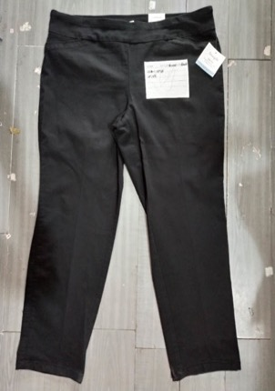 | Croft & Barrow | Skinny | Woven, 55% Cotton 31% Polyester 12% Rayon 2% Spandex | BLACK | Cr 24 | 24 |  |  |  |  |  |  |  |  |  |  |  |  |  |  |  |  |  |  |  |  |  |  |  |  |  | 24 | 1 | 24
 |  |  |  |  | Cr 26 | 24 |  |  |  |  |  |  |  |  |  |  |  |  |  |  |  |  |  |  |  |  |  |  |  |  |  | 24 | 1 | 24
 |  |  |  |  | Cr 35 |  |  |  |  | 24 |  |  |  |  |  |  |  |  |  |  |  |  |  |  |  |  |  |  |  |  |  | 24 | 1 | 24
 |  |  |  |  | Cr 41 |  |  |  |  |  |  |  |  |  |  | 24 |  |  |  |  |  |  |  |  |  |  |  |  |  |  |  | 24 | 1 | 24
 |  |  |  |  | Cr 43 |  |  |  |  |  |  |  |  |  | 24 |  |  |  |  |  |  |  |  |  |  |  |  |  |  |  |  | 24 | 1 | 24
 |  |  |  |  | Cr 45 |  |  |  |  |  |  |  |  |  | 24 |  |  |  |  |  |  |  |  |  |  |  |  |  |  |  |  | 24 | 1 | 24
 |  |  |  |  | Cr 48 |  |  |  |  |  |  |  |  |  |  |  | 24 |  |  |  |  |  |  |  |  |  |  |  |  |  |  | 24 | 1 | 24
 |  |  |  |  | Cr 51 |  |  |  |  |  |  |  |  |  |  |  |  |  |  |  | 24 |  |  |  |  |  |  |  |  |  |  | 24 | 1 | 24
 |  |  |  |  | Cr 52 |  |  |  |  |  |  |  |  |  |  |  |  |  |  |  | 24 |  |  |  |  |  |  |  |  |  |  | 24 | 1 | 24
 |  |  |  |  | Cr 54 |  |  |  |  |  |  |  |  |  |  |  |  |  |  |  |  | 24 |  |  |  |  |  |  |  |  |  | 24 | 1 | 24
 |  |  |  |  | Cr 61 |  |  |  |  |  |  |  |  |  |  |  |  |  |  |  |  |  | 24 |  |  |  |  |  |  |  |  | 24 | 1 | 24
 |  |  |  |  | Cr 62 |  |  |  |  |  |  |  |  |  |  |  |  |  |  |  |  |  | 24 |  |  |  |  |  |  |  |  | 24 | 1 | 24
 |  |  |  |  | Cr 70 |  |  |  | 24 |  |  |  |  |  |  |  |  |  |  |  |  |  |  |  |  |  |  |  |  |  |  | 24 | 1 | 24
 |  |  |  |  | Cr 71 |  |  |  | 24 |  |  |  |  |  |  |  |  |  |  |  |  |  |  |  |  |  |  |  |  |  |  | 24 | 1 | 24
 |  |  |  |  | Cr 77 |  |  |  |  |  |  |  |  |  |  |  |  |  |  |  |  |  |  |  |  |  | 24 |  |  |  |  | 24 | 1 | 24
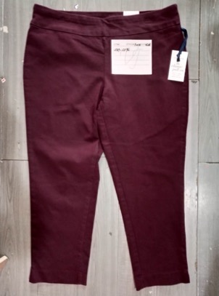 | Croft & Barrow | Skinny | Woven, 55% Cotton 31% Polyester 12% Rayon 2% Spandex | WINE | Cr 91 |  |  |  |  |  |  |  |  |  |  |  |  |  | 24 |  |  |  |  |  |  |  |  |  |  |  |  | 24 | 1 | 24
 |  |  |  |  | Cr 93 |  |  |  |  |  |  |  |  |  |  |  |  |  |  |  |  |  |  |  |  |  |  |  | 15 | 9 |  | 24 | 1 | 24
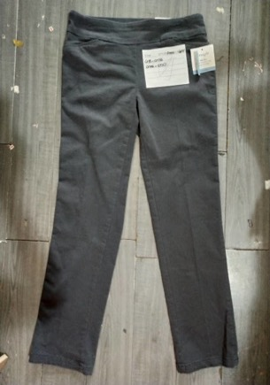 | Croft & Barrow | Skinny | Woven, 55% Cotton 31% Polyester 12% Rayon 2% Spandex | GRAY | Cr 95 |  | 24 |  |  |  |  |  |  |  |  |  |  |  |  |  |  |  |  |  |  |  |  |  |  |  |  | 24 | 1 | 24
 |  |  |  |  | Cr 99 |  |  | 4 | 19 |  |  |  |  | 1 |  |  |  |  |  |  |  |  |  |  |  |  |  |  |  |  |  | 24 | 1 | 24
 |  |  |  |  | Cr 101 |  |  |  |  | 24 |  |  |  |  |  |  |  |  |  |  |  |  |  |  |  |  |  |  |  |  |  | 24 | 1 | 24
 |  |  |  |  | Cr 106 |  |  |  |  |  |  |  |  |  |  |  | 24 |  |  |  |  |  |  |  |  |  |  |  |  |  |  | 24 | 1 | 24
 |  |  |  |  | Cr 109 |  |  |  |  |  |  |  |  |  |  |  |  | 24 |  |  |  |  |  |  |  |  |  |  |  |  |  | 24 | 1 | 24
 |  |  |  |  | Cr 118 |  |  |  |  |  |  |  |  |  |  |  |  | 24 |  |  |  |  |  |  |  |  |  |  |  |  |  | 24 | 1 | 24
 |  |  |  |  | Cr 120 |  |  |  |  |  |  |  |  |  |  |  | 5 | 4 |  |  | 3 |  | 4 |  | 6 | 2 |  |  |  |  |  | 24 | 1 | 24
 |  |  |  |  | Cr 121 |  |  |  |  |  |  |  |  |  |  |  |  |  |  |  |  |  | 12 | 12 |  |  |  |  |  |  |  | 24 | 1 | 24
 |  |  |  |  | Cr 127 |  |  |  |  |  |  |  |  |  | 4 |  |  |  |  |  |  |  |  | 4 |  | 2 | 1 |  |  | 11 | 2 | 24 | 1 | 24
 |  |  |  |  | Cr 129 |  |  | 16 |  | 1 |  |  |  |  |  |  |  |  |  |  |  |  |  |  |  |  | 1 |  |  | 6 |  | 24 | 1 | 24
Assorted | Croft & Barrow | Skinny | Woven 55% Cotton 31% Polyester 12% Rayon 2% Spandex | GRAY | Cr 134 |  |  |  |  |  |  |  |  |  | 3 | 4 | 2 | 6 | 1 |  |  |  | 4 | 4 |  |  |  |  |  |  |  | 24 | 1 | 24
 |  |  |  | GRAY+ BLACK+ KHAKI | Cr 137 |  |  | 8 |  | 5 |  |  |  |  | 4 |  | 2 |  |  |  |  |  |  | 2 |  |  | 4 |  |  | 5 |  | 30 | 1 | 30
 |  |  |  |  |  |  |  |  |  |  |  |  |  |  |  |  |  |  |  |  |  |  |  |  |  |  |  |  |  |  |  | TOTAL | 36 | 870

Picture | Label | Style | Material | Color | Carton # | SIZE
 |  |  |  |  |  | S | M | L | XL | QTY / CTN | TOTAL CTNAS | TOTAL QTY.
 | Croft & Barrow | Skirt | Woven, 55% Cotton 31% Polyester 12% Rayon 2% Spandex | BEIGE | Cr 7 |  |  |  | 24 | 24 | 1 | 24
 |  |  |  | NAVY | Cr 9 |  | 18 | 6 |  | 24 | 1 | 24
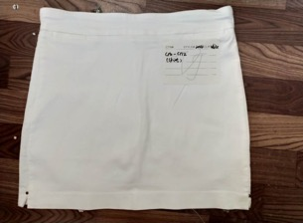 | Croft & Barrow | Skirt | Woven, 55% Cotton 31% Polyester 12% Rayon 2% Spandex | NAVY+ BEIGE+ L.BLUE | Cr 12 | 6 | 2 | 16 | 5 | 29 | 1 | 29
 |  |  |  |  |  |  |  |  |  | TOTAL | 3 | 77

Picture | Label | Style | Material | Color | Carton # | SIZE
 |  |  |  |  |  | 1 | 4 | 6 | 8 | 10 | 12 | 14 | 16 | 18 | 20 | QTY / CTN | TOTAL CTNS | TOTAL QTY.
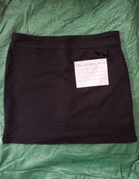 | Croft & Barrow | Skort | Woven, 55% Cotton 31% Polyester 12% Rayon 2% Spandex | BLACK+NAVY | KI-2 |  |  |  | 3 | 2 | 3 | 3 | 8 | 11 |  | 30 | 1 | 30
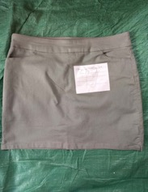 |  |  |  | L.GREEN | KI-5 |  |  |  |  | 7 | 14 |  | 5 |  | 2 | 28 | 1 | 28
 |  |  |  | BLACK+NAVY | KI-8 |  | 2 |  | 4 | 5 | 8 | 9 | 4 | 2 |  | 34 | 1 | 34
 |  |  |  |  |  |  |  |  |  |  |  |  |  |  |  | TOTAL | 3 | 92

 |  | TOTAL | CTN | 86
 |  |  | QTY | 2,182

